CABLE ASS'Y
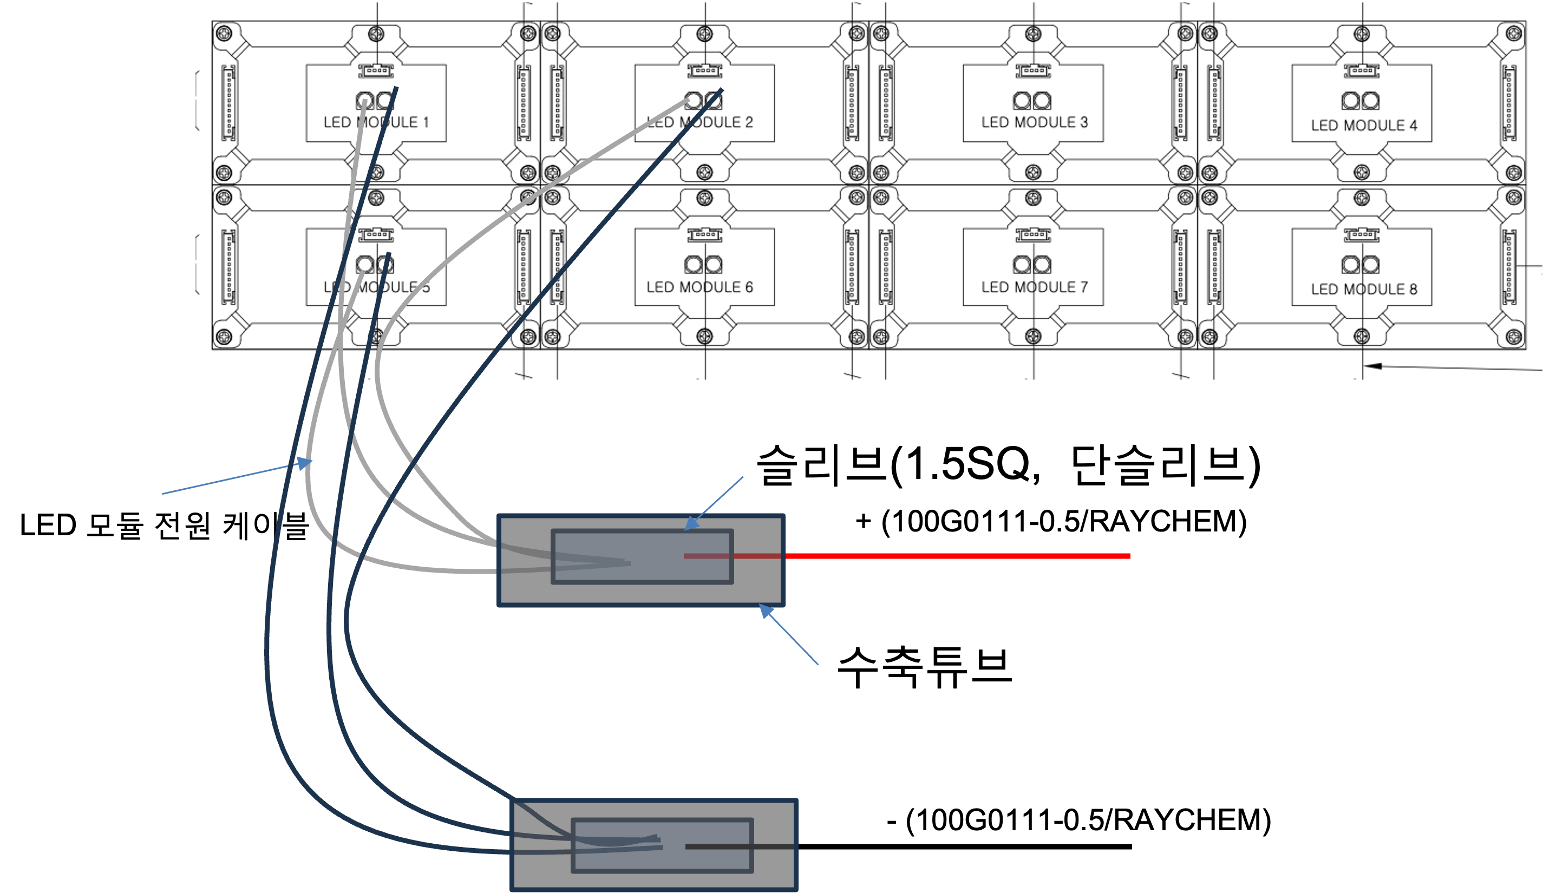
홍콩 SCL EDD CABLE ASS'Y

Pin map
Connector | Pin | Pin No. |  | Singal Name | CABLE |  | Length | Singal Name | Pin No. |  | Pin | Connector
HARTING(통신) 21 03 8822405 | 09 67 000 5476 | 1 |  |  | HUBER+SUHNER RADOX RAILCAT CAT5e / 4x22AWG XM S RW E |  | 800+450mm | 4 / TX+ | 4 |  | Molex 5103,22-28 AWG | Main-PCB(J19) MOLEX 35155-0400
 |  | 3 |  |  | HUBER+SUHNER RADOX RAILCAT CAT5e / 4x22AWG XM S RW E |  | 800+450mm | 3 / TX- | 3
 |  | 2 |  |  | HUBER+SUHNER RADOX RAILCAT CAT5e / 4x22AWG XM S RW E |  | 800+450mm | 2 / RX+ | 2
 |  | 4 |  |  | HUBER+SUHNER RADOX RAILCAT CAT5e / 4x22AWG XM S RW E |  | 800+450mm | 1 / RX- | 1

WAGO(전원) 770-213 | - | L |  | L/DC 110V | 100G0111-1.0/RAYCHEM |  | 800+200mm | 5 / DC 110V | 5 |  | YEONHO YT396J | POWER-PCB(CON1) YEONHO YH396-05V
 |  |  |  |  | - |  | -
 |  | N |  | N/DC GND | 100G0111-1.0/RAYCHEM |  | 800+200mm | 3 / DC GND | 3

POWER-PCB(CON3) YHEOHO YH396-08V | YEONHO YT396J | 1 |  | 1 / 5V- | 100G0111-0.5/RAYCHEM |  | 450mm | 1 / 5V- | LED MODULE 1,2,5 |  | 검정색 | LED MODULE POWER CABLE
 |  | 2 |  | 2 / 5V- | 100G0111-0.5/RAYCHEM |  | 450mm | 2 / 5V- | LED MODULE 6,3,7
 |  | 3 |  | 3 / 5V- | 100G0111-0.5/RAYCHEM |  | 450mm | 3 / 5V- | LED MODULE 4,8
 |  | 4 |  | 4 / 5V- | 100G0111-0.5/RAYCHEM |  | 300mm | 4 / 5V- | 2 |  | 5556, 18-24 AWG/MOLEX | 0039012025/MOLEX
 |  | 5 |  | 5 / 5V+ | 100G0111-0.5/RAYCHEM |  | 450mm | 5 / 5V+ | LED MODULE 1,2,5 |  | 흰색 | LED MODULE POWER CABLE
 |  | 6 |  | 6 / 5V+ | 100G0111-0.5/RAYCHEM |  | 450mm | 6 / 5V+ | LED MODULE 6,3,7
 |  | 7 |  | 7 / 5V+ | 100G0111-0.5/RAYCHEM |  | 450mm | 7 / 5V+ | LED MODULE 4,8
 |  | 8 |  | 8 / 5V+ | 100G0111-0.5/RAYCHEM |  | 300mm | 8 / 5V+ | 1 |  | 5556, 18-24 AWG/MOLEX | 0039012025/MOLEX

Main-PCB(J2) /MOLEX 35155-0200 | Molex 5103,22-28 AWG | 1 |  | 1 / RST | 100G0111-0.5/RAYCHEM |  | 300mm | 1 / RST | 1 |  | Molex 5159,22-28 AWG | POWER-PCB(CON2) / MOLEX 5051-02
 |  | 2 |  | 2 / SGND | 100G0111-0.5/RAYCHEM |  | 300mm | 2 / SGND | 2

Shrink tube
Shrink tube
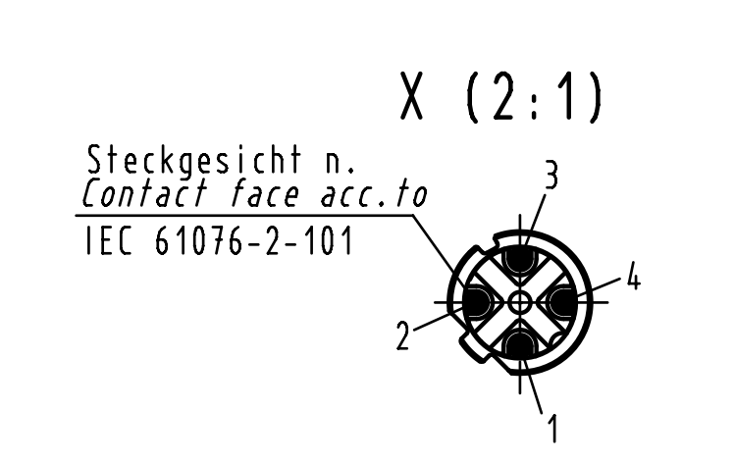
Diagram & Label
 |  | HARTING(통신) 21 03 8822405 |  |  |  | Wire mesh |  |  |  | Main-PCB(J19) MOLEX 35155-0400
 |  |  | 1 | 0 |  |  |  | 4 / TX+ | 4
 |  |  | 3 | 0 |  |  |  | 3 / TX- | 3
 |  |  | 2 | 0 |  |  |  | 2 / RX+ | 2
20mm
100mm
 |  |  | 4 | 0 |  |  |  | 1 / RX- | 1

 |  |  |  | 800+450mm
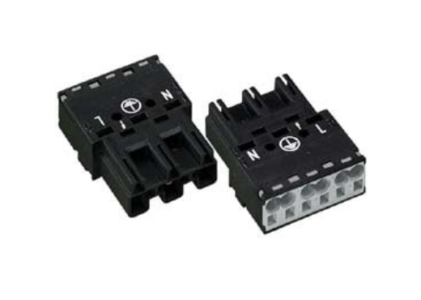
 |  | WAGO(전원) 770-213 |  |  |  | Wire mesh |  |  |  | POWER-PCB(CON1) YEONHO YH396-05V
 |  |  | L | L/DC 110V |  |  |  | 5 / DC 110V | 5

 |  |  | N | N/DC GND |  |  |  | 3 / DC GND | 3

 |  |  |  | 800+200mm

 |  | POWER-PCB(CON3) YHEOHO YH396-08V
 |  |  | 1 | 1 / 5V- |  |  |  | 슬리브 | 검정 | LED MODULE 1,2,5
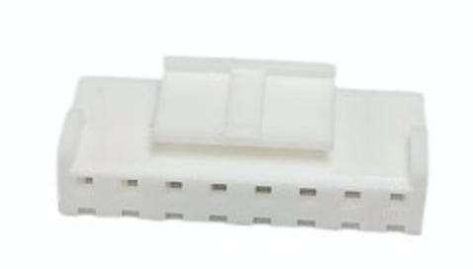 |  |  | 2 | 2 / 5V- |  |  |  | 슬리브 |  | LED MODULE 6,3,7
300mm
 |  |  | 3 | 3 / 5V- |  |  |  | 슬리브 |  | LED MODULE 4,8
 |  |  | 4 | 4 / 5V- |  |  |  | 2 / 5V- | 2 | 0039012025/MOLEX
 |  |  | 5 | 5 / 5V+ |  |  |  | 슬리브 | 흰색 | LED MODULE 1,2,5
 |  |  | 6 | 6 / 5V+ |  |  |  | 슬리브 |  | LED MODULE 6,3,7
300mm
 |  |  | 7 | 7 / 5V+ |  |  |  | 슬리브 |  | LED MODULE 4,8
 |  |  | 8 | 8 / 5V+ |  |  |  | 1 / 5V+ | 1 | 0039012025/MOLEX

 |  |  |  | 450mm

 |  | Main-PCB(J2) /MOLEX 35155-0200 |  |  |  |  |  |  |  | POWER-PCB(CON2) / MOLEX 5051-02
 |  |  | 1 | 1 / RST |  |  |  | 1 / RST | 1
 |  |  | 2 | 2 / SGND |  |  |  | 2 / SGND | 2

 |  |  |  | 300mm

Part list
No. | P/N | Type |  | Description |  |  | Qty. | Maker | Maker P/N |  |  | REMARK
1 | - | CONN_HOUSING (2.5mm) |  | Harting M12 PFT Female 4-pole D-coded |  |  | 1 | HARTING | 21 03 8822405 |  |  | Twisted pair
1 | - | CONTACT_PIN (2.5mm) |  | Harting M12 PFT Female 4-pole D-coded |  |  | 4 | HARTING | 09 67 000 5476
2 | - | CONN_HOUSING (2.5mm) |  |  |  |  | 1 | Molex | 35155-0400
2 | - | CONTACT_PIN (2.5mm) |  |  |  |  | 6 | Molex | 5103,22-28 AWG
3 | - | CONN_HOUSING (2.5mm) |  |  |  |  | 1 | WAGO | 770-213
4 | - | CONN_HOUSING (2.5mm) |  |  |  |  | 1 | YEONHO | YH396-05V
4 | - | CONTACT_PIN (2.5mm) |  |  |  |  | 10 | YEONHO | YT396J
5 | - | CONN_HOUSING (2.5mm) |  |  |  |  | 1 | YEONHO | YH396-08V
6 | - | CONTACT_PIN (2.5mm) |  |  |  |  | 1 | Molex | 39012025
8 | - | CONN_HOUSING (2.5mm) |  |  |  |  | 2 | Molex | 5556, 18-24 AWG/MOLEX
7 | - | CONN_HOUSING (2.5mm) |  |  |  |  | 1 | Molex | 35155-02
8 | - | CONN_HOUSING (2.5mm) |  |  |  |  | 1 | Molex | 5051-02
9 | - | CONTACT_PIN (2.5mm) |  |  |  |  | 2 | Molex | 5159,22-28 AWG
Total |  |  |  |  |  |  | 8

Revision history
No. | Date | Detail of revision |  |  |  |  | REMARK
1 | 2024-07-13 | 최초작성
2 | 2024-07-24 | 전원 케이블 변경 |  |  |  |  | 0.5 -> 1.0

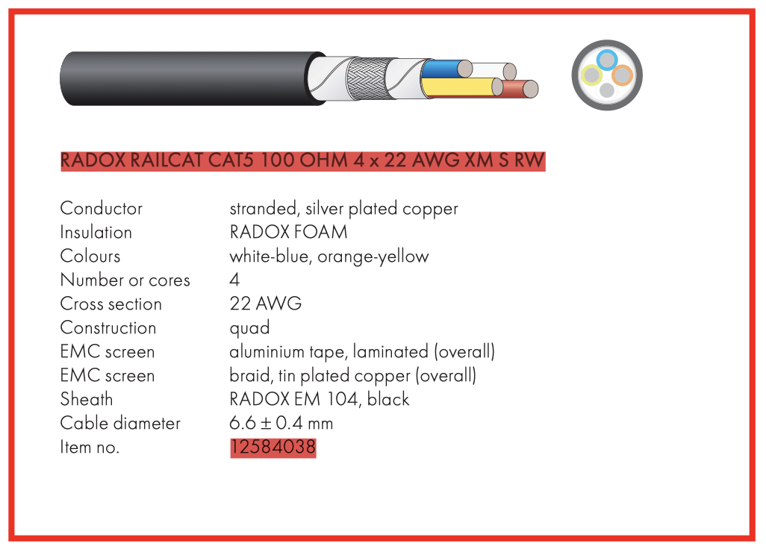
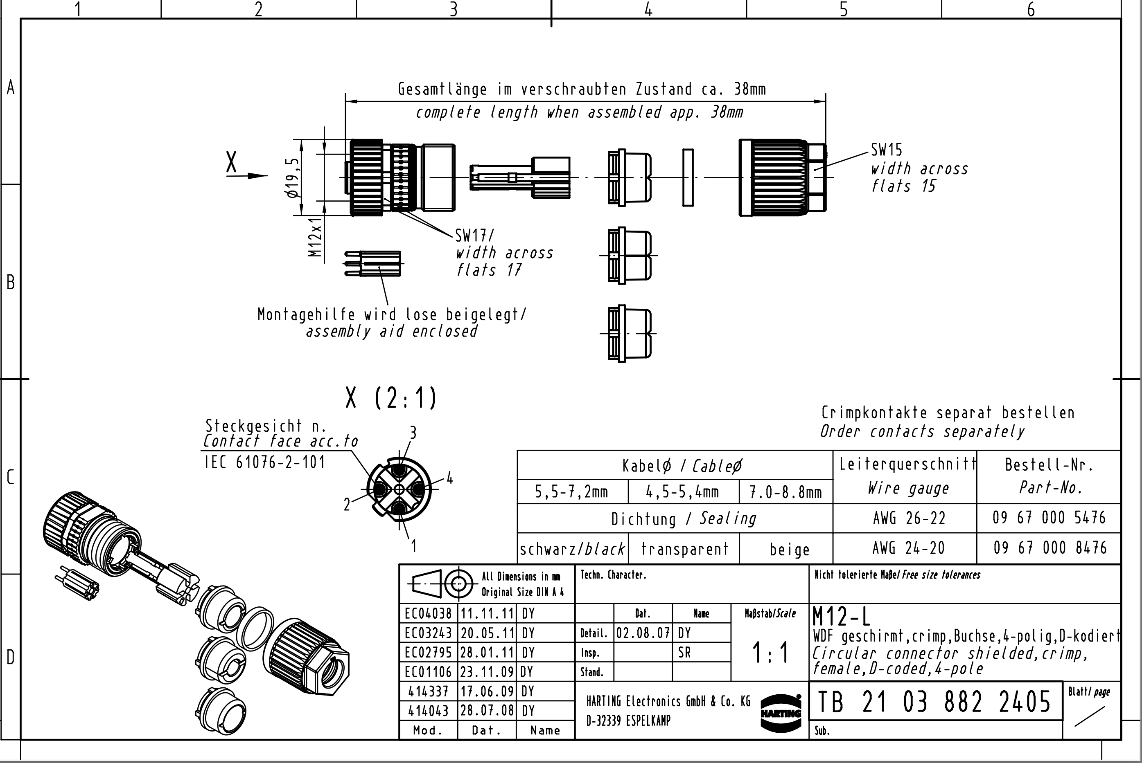
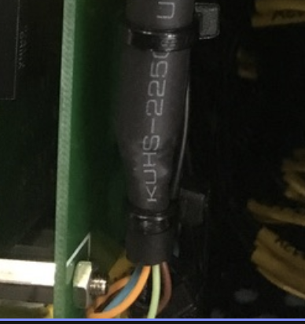
Shrink tube

